Stock
Photo | Style | Brand | Colour | Cartons | Pairs | Comments
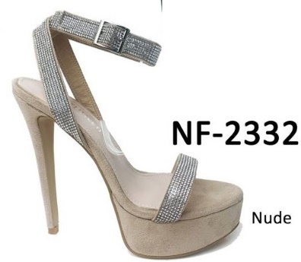 | NF-2332 | Pretty Little Thing | Nude PLT | 18 | 216 | Size 3 to 8
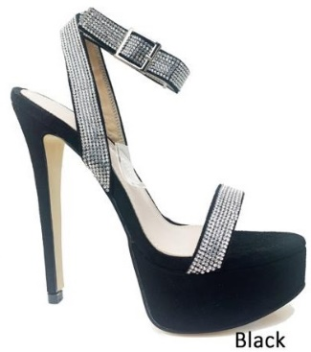 | NF-2332 | Pretty Little Thing | Black PLT | 14 | 168 | Size 3 to 8
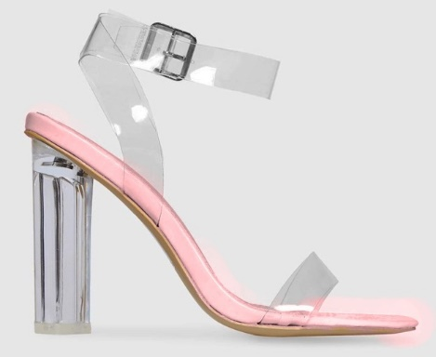 | NF-117 | Unbranded | Pink Patent/C ENVY | 80 | 960 | Size 3 to 8
 | PLT-265 | Pretty Little Thing | Black Velvet/ Clear | 4 | 45 | Block Sizes .3 4 5 6 7 8 1 12 8 10 10 4
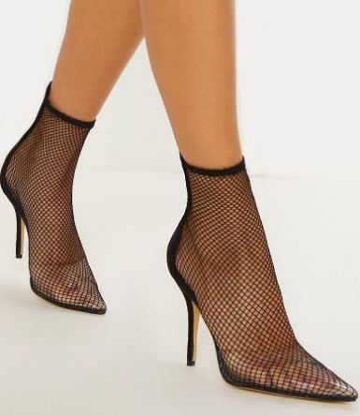 | PLT-216 | Pretty Little Thing | Black Fishnet | 14 | 168 | Block Sizes ., 3 4 5 6 7 8 19 24 42 42 25 12
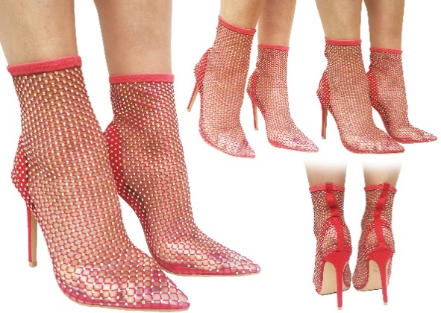 | NF-2920 | Unbranded | Red | 7 | 84 | Size 3 to 8
 | NF-2920 | Unbranded | Nude | 9 | 108 | Size 3 to 8
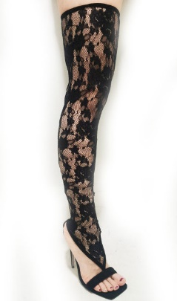 | NF-4693 | Pretty Little Thing | Black Lace | 6 | 72 | Size 3 to 8
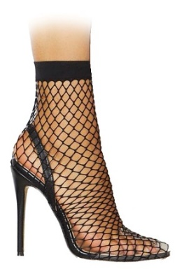 | KOKO | Unbranded | Black ENVY | 70 | 840 | Size 3 to 8
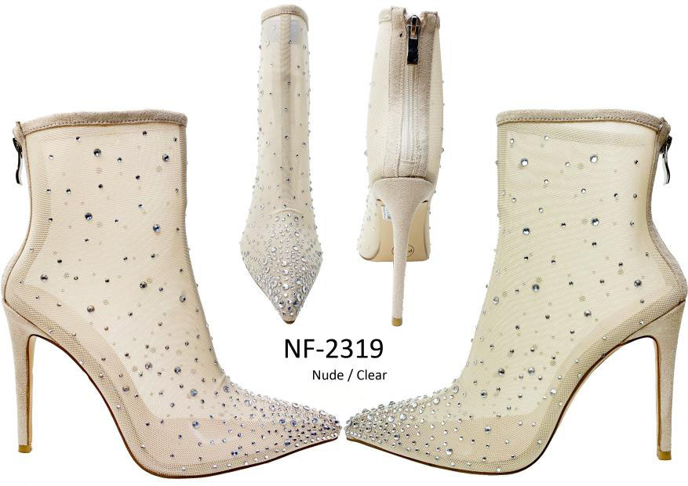 | NF-2319 | Pretty Little Thing | Nude PLT | 14 | 168 | Size 3 to 8
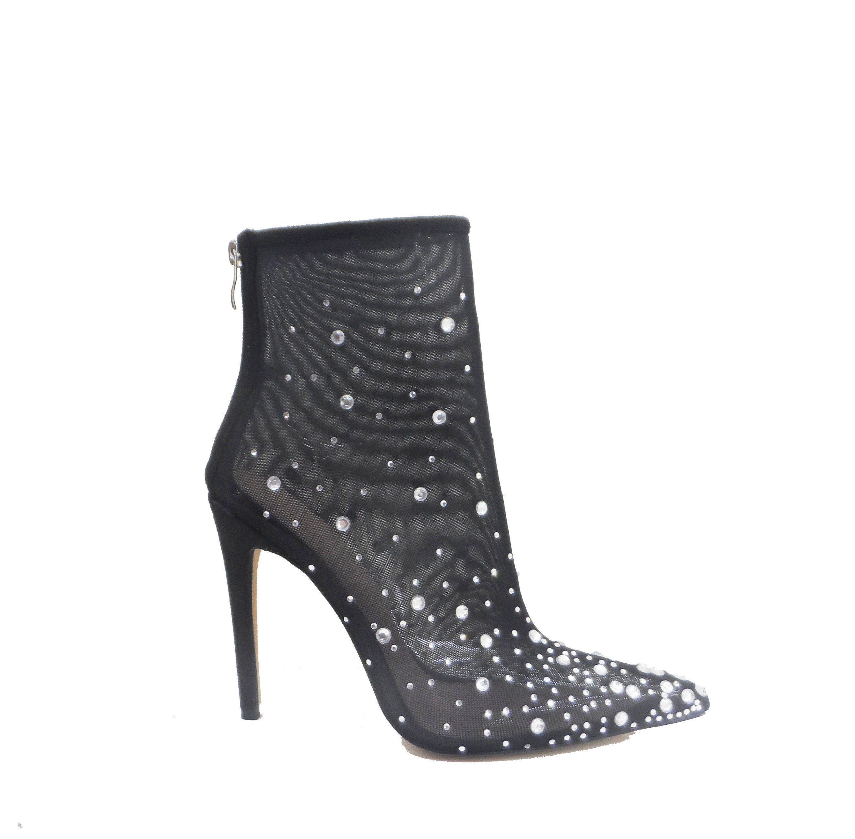 | NF-2319 | Pretty Little Thing | Black PLT | 2 | 17 | Size 3 Only
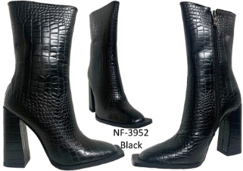 | NF-3952 I Saw It First | I Saw It First | Black croc | 13 | 156 | Size 3 to 8
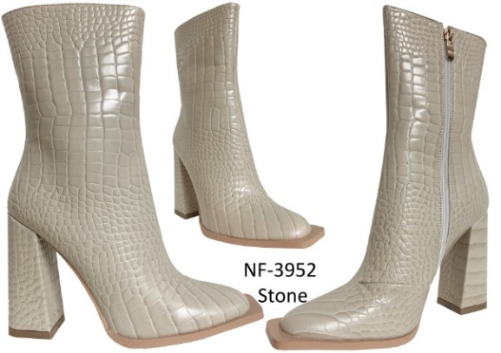 | NF-3952 I Saw It First | I Saw It First | Nude Croc | 12 | 144 | Size 3 to 8
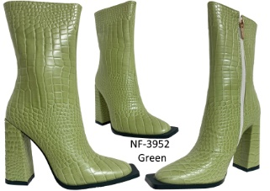 | NF-3952 I Saw It First | I Saw It First | Green Croc | 4 | 48 | Size 3 to 8
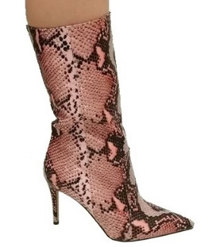 | NF-3167 PLT | Pretty Little Thing | Pink Snake PLT | 16 | 192 | Size 3 to 8
 | NF-3373 | Pretty Little Thing | Sage Green PLT | 28 | 336 | Size 3 to 8
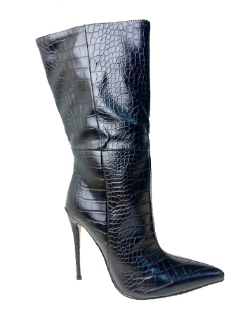 | NF-3205 Misspap | Miss Pap | Black Misspap | 3 | 31 | Size 3 4 5 6 7 8 xxxxx 3 x 19 5 x 4
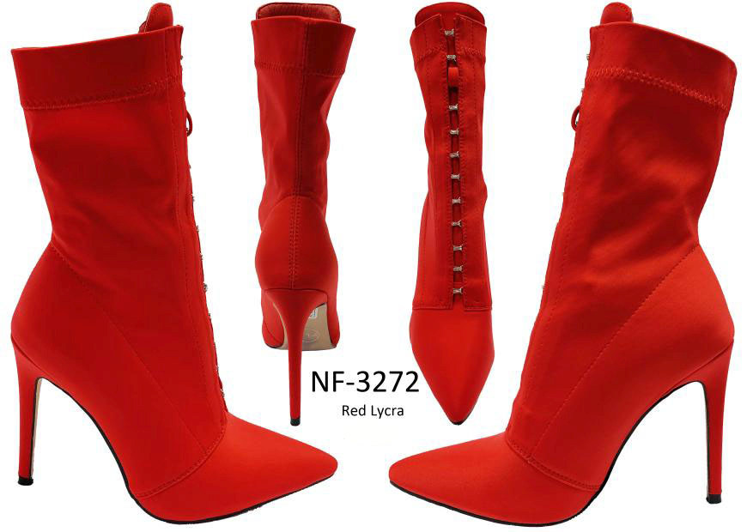 | NF-3272 | Pretty Little Thing | Red PLT | 21 | 252 | Size 3 to 8
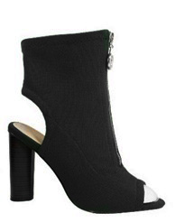 | GABRIEL | Pretty Little Thing | Black Woven PLT | 26 | 312 | Size 3 to 8
 | NF-3100 | Pretty Little Thing | Black | 29 | 348 | Size 3 to 8
 |  |  |  |  | 4665

